MB
SA 领取MB

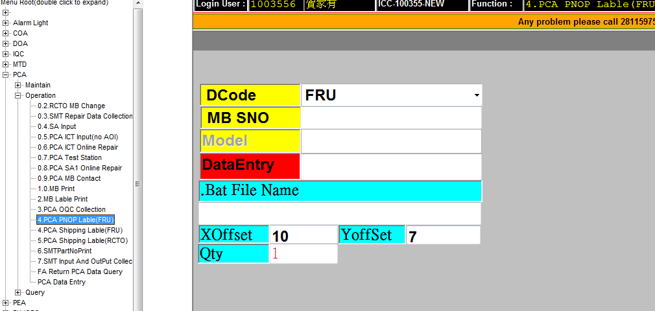

是否WIN8
打印WIN8 PNOP Label
 | YES
 |  |  | http://10.96.183.10/PCA/ PCA--OP--4.PCA PNOP Lable(FRU)

RMA 测试

RUNNING TEST
 |  | HTTP://10.96.183.10/PCA PCA-- OP-0.7.PCA Test Station

打印shipping Label
 |  | HTTP://10.96.183.10/PCA PCA--OP-4.PCA Shipping Lable(FRU)

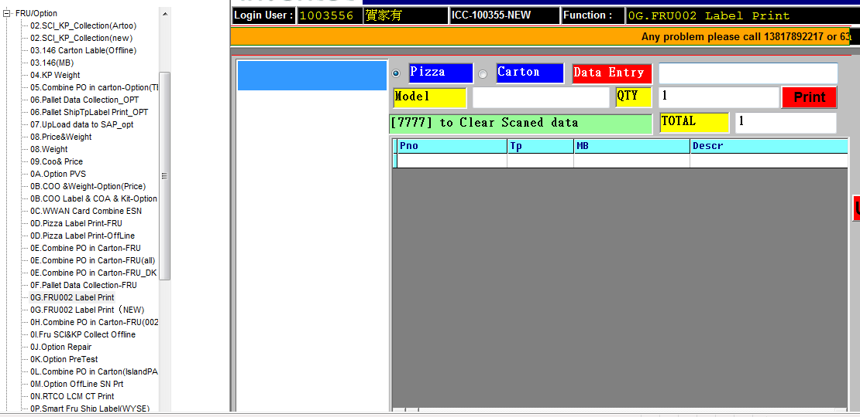
列印礼盒及机型标签
 |  | HTTP://10.96.183.10/IPC FRU/---0G.FRU002 Label Print

结合DN 打印卡通 Label
 |  | HTTP://10.96.183.10/IPC FRU/---0E.Combine PO in Carton-FRU

打印栈板标签
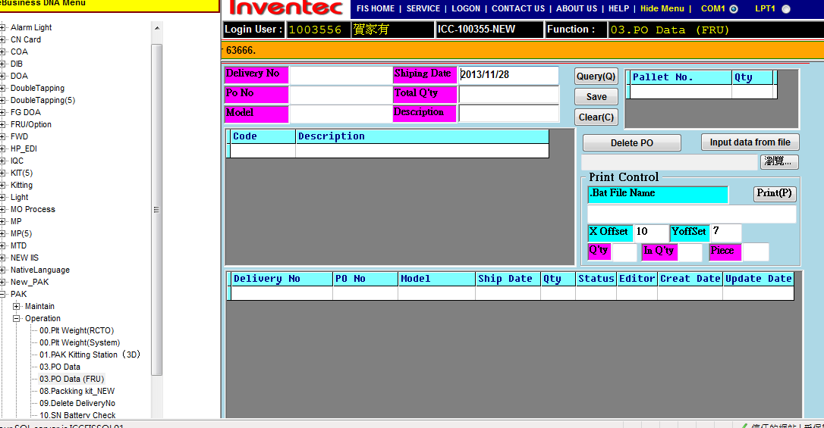
 |  | HTTP://10.96.183.10/IPC PAK--OP-03.PO Data (FRU)
打印卡通 Label

LCM
仓库领取LCM
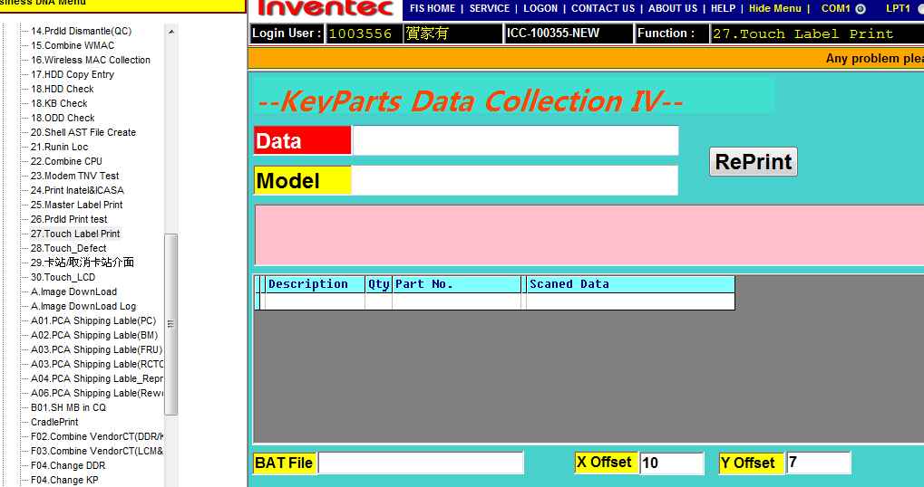

CT Label 打印
http://10.96.183.10/ipc mp-op-27.Touch Label Print

组装测试

列印礼盒及机型标签
HTTP://10.96.183.10/IPC FRU/---0G.FRU002 Label Print

打印栈板标签
HTTP://10.96.183.10/IPC PAK--OP-03.PO Data (FRU)

零星材料
零星材料

RU Label 打印
http://10.96.183.10/ipc FRU--23.RU Lable Print

打印栈板标签
HTTP://10.96.183.10/IPC PAK--OP-03.PO Data (FRU)

KeyParts
keyParts 材料

列印礼盒及机型标签
 | HTTP://10.96.183.10/IPC FRU/---0G.FRU002 Label Print

电子产品
CT Label 打印
yes
 |  | http://10.96.183.10.ipc test-op-08.IEC Lable Print

版本标签打印
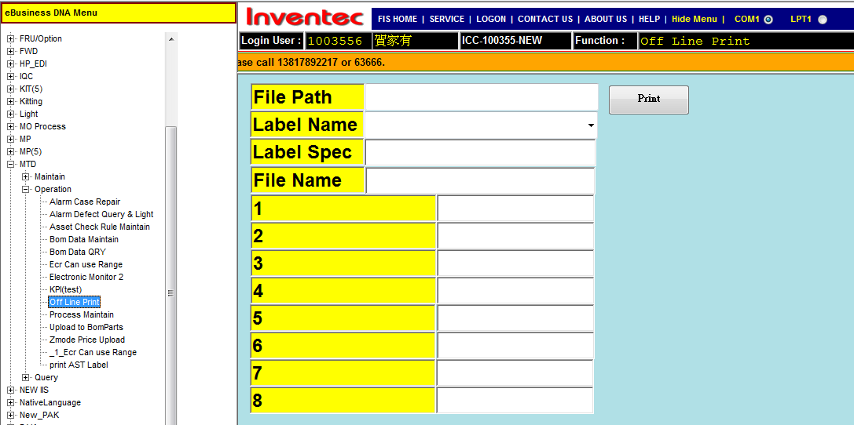
 | http://10.96.183.10/ipc MTD-OP-Off Line Print

